Table 1

Selected Acquisition Report (SAR)
RCS: DD-A&T(Q&A)823-303
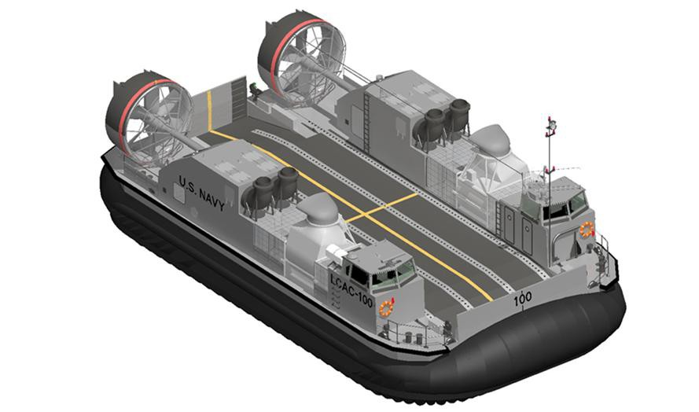
Ship to Shore Connector Amphibious Craft (SSC)
As of FY 2017 President's Budget
Defense Acquisition Management Information Retrieval
(DAMIR)

Table 9
Schedule
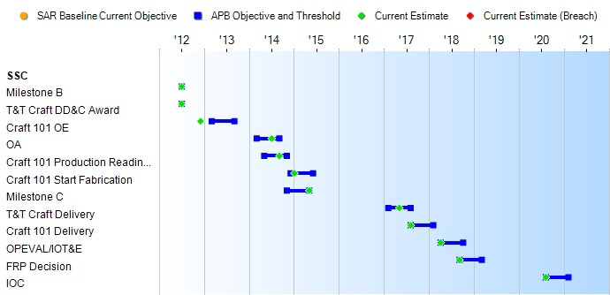
None
Schedule Events
Events | SAR Baseline Development Estimate | Current APB Development Objective/Threshold |  | Current Estimate
Milestone B | Jul 2012 | Jul 2012 | Jul 2012 | Jul 2012
T&T Craft DD&C Award | Jul 2012 | Jul 2012 | Jul 2012 | Jul 2012
Craft 101 OE | Mar 2013 | Mar 2013 | Sep 2013 | Dec 2012
OA | Mar 2014 | Mar 2014 | Sep 2014 | Jul 2014
Craft 101 Production Readiness Review | May 2014 | May 2014 | Nov 2014 | Sep 2014
Craft 101 Start Fabrication | Dec 2014 | Dec 2014 | Jun 2015 | Jan 2015
Milestone C | Nov 2014 | Nov 2014 | May 2015 | May 2015
T&T Craft Delivery | Feb 2017 | Feb 2017 | Aug 2017 | May 2017
Craft 101 Delivery | Aug 2017 | Aug 2017 | Feb 2018 | Aug 2017
OPEVAL/IOT&E | Apr 2018 | Apr 2018 | Oct 2018 | Apr 2018
FRP Decision | Sep 2018 | Sep 2018 | Mar 2019 | Sep 2018
IOC | Aug 2020 | Aug 2020 | Feb 2021 | Aug 2020
Change Explanations

Table 32
Unit Cost History
Item |  |  |  |  | Date |  |  | BY 2011 $M |  |  |  |  | TY $M
 |  |  |  |  |  |  |  | PAUC |  | APUC |  |  | PAUC |  |  | APUC

Original APB |  |  | Jul 2012 |  |  |  |  | 53.775 |  |  | 47.245 |  |  | 64.810 |  |  | 58.275
APB as of January 2006 |  |  | N/A |  |  |  |  | N/A |  |  | N/A |  |  | N/A |  |  | N/A
Revised Original APB |  |  | N/A |  |  |  |  | N/A |  |  | N/A |  |  | N/A |  |  | N/A
Prior APB |  |  | N/A |  |  |  |  | N/A |  |  | N/A |  |  | N/A |  |  | N/A
Current APB |  |  | Jul 2012 |  |  |  |  | 53.775 |  |  | 47.245 |  |  | 64.810 |  |  | 58.275
Prior Annual SAR |  |  | Dec 2014 |  |  |  |  | 51.810 |  |  | 45.518 |  |  | 64.336 |  |  | 57.964
Current Estimate |  |  | Dec 2015 |  |  |  |  | 50.167 |  |  | 43.796 |  |  | 62.485 |  |  | 56.038
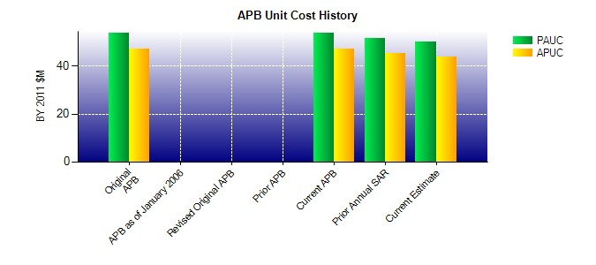
SAR Unit Cost History
Current SAR Baseline to Current Estimate (TY $M)
Initial PAUC Development Estimate | Changes |  |  |  |  |  |  |  |  |  |  |  |  |  | PAUC Current Estimate
 | Econ | Qty |  | Sch |  | Eng | Est |  | Oth | Spt |  | Total
64.810 2.405 -0.020 -0.290 0.000 -4.221 0.000 -0.199 -2.325 62.485
Current SAR Baseline to Current Estimate (TY $M)
Initial APUC Development Estimate | Changes |  |  |  |  |  |  |  |  |  |  |  |  |  | APUC Current Estimate
 | Econ | Qty |  | Sch |  | Eng | Est |  | Oth | Spt |  | Total
58.275 2.454 -0.297 -0.294 0.000 -3.899 0.000 -0.201 -2.237 56.038

